9
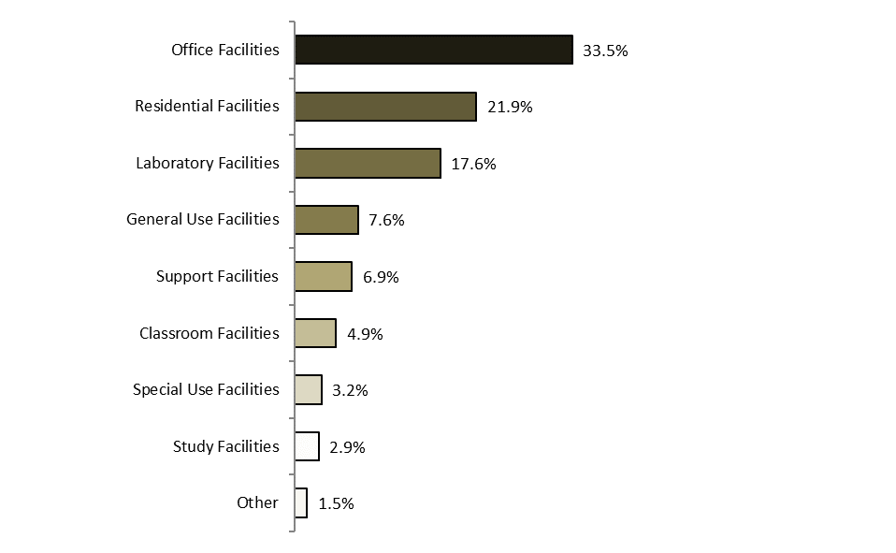
Pittsburgh Total Space in Square Footage by Division and Use Category (Excludes Cohon Center Addition)
as of June 30, 2017

Net Assignable Space by Major Division
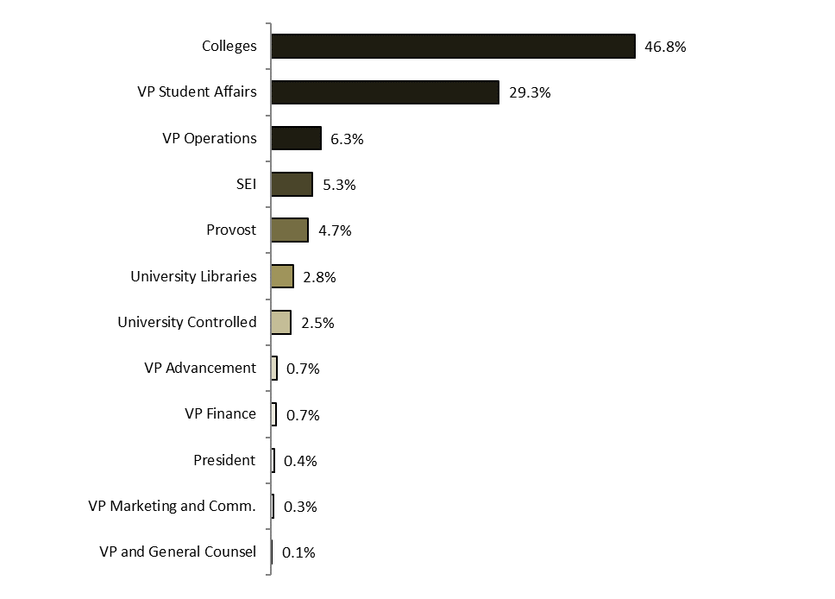

Net Assignable Space by Major Use

