4
All Active Alumni Living Outside the United States
By Continent and Country of Residence
Fiscal Year 2017
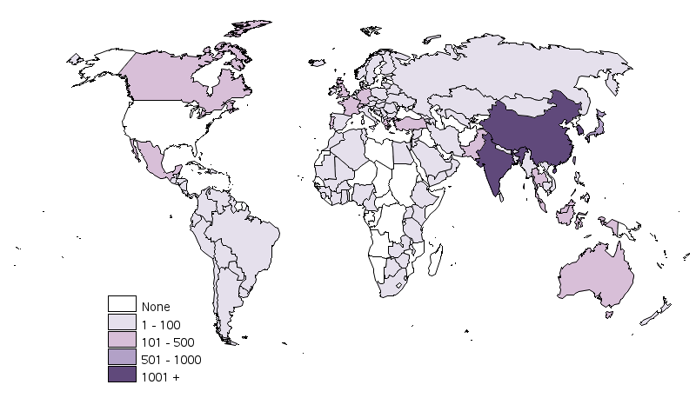

 |  | [MAP GOES HERE]

North and Central America |  | Europe |  | Asia |  | Asia Continued |  | Oceania
Anguilla | 1 | Albania | 1 | Armenia | 2 | Turkey | 260 | Australia | 242
Bahamas | 13 | Austria | 17 | Azerbaijan | 3 | United Arab Emirates | 70 | French Polynesia | 2
Barbados | 5 | Belarus | 1 | Bahrain | 6 | Uzbekistan | 3 | New Zealand | 31
Belize | 1 | Belgium | 45 | Bangladesh | 17 | Vietnam | 30 | Vanuatu | 1
Bermuda | 2 | Bosnia-Herzegovina | 1 | Bhutan | 1 | Yemen | 1 | Subtotal | 276
Canada | 500 | Bulgaria | 10 | Brunei | 2 | Subtotal | 8,893 | % of Intl Total | 2%
Cayman Islands | 1 | Croatia | 3 | Cambodia | 9 | % of Intl Total | 73%
Costa Rica | 14 | Czech Republic | 8 | China | 1,527
Dominican Republic | 2 | Denmark | 16 | Cyprus | 15
El Salvador | 4 | Estonia | 3 | Georgia | 1
Guatemala | 5 | Finland | 7 | Hong Kong | 421 | Africa
Haiti | 2 | France | 106 | India | 1,929 | Algeria | 6
Honduras | 1 | Germany | 124 | Indonesia | 186 | Botswana | 11
Jamaica | 10 | Greece | 124 | Iran | 19 | Burkina Faso | 1
Mexico | 266 | Hungary | 6 | Israel | 88 | Cameroon | 1
Nicaragua | 5 | Iceland | 5 | Japan | 568 | Egypt | 13
Panama | 12 | Ireland | 15 | Jordan | 7 | Ethiopia | 3
Saint Kitts and Nevis | 1 | Italy | 70 | Kazakhstan | 21 | Ghana | 13
Saint Vincent and the Grenadines | 1 | Kosovo | 1 | Kuwait | 17 | Guinea | 4
Trinidad and Tobago | 7 | Lithuania | 1 | Lebanon | 20 | Ivory Coast | 3
Subtotal | 853 | Luxembourg | 4 | Macau | 4 | Kenya | 19
% of Intl Total | 7% | Macedonia | 1 | Malaysia | 135 | Malawi | 1
 |  | Malta | 1 | Maldives | 2 | Mali | 1
 |  | Monaco | 2 | Mongolia | 2 | Mauritania | 1
 |  | Netherlands | 78 | Myanmar | 5 | Mauritius | 4
South America |  | Norway | 12 | Nepal | 6 | Morocco | 11
Argentina | 56 | Poland | 7 | Oman | 22 | Nigeria | 38
Bolivia | 4 | Portugal | 143 | Pakistan | 130 | Rwanda | 79
Brazil | 79 | Romania | 31 | Philippines | 80 | Sierra Leone | 2
Chile | 50 | Serbia | 2 | Qatar | 481 | South Africa | 48
Colombia | 69 | Slovakia | 1 | Russia | 35 | Swaziland | 4
Ecuador | 21 | Slovenia | 5 | Saudi Arabia | 71 | Tanzania | 7
Guyana | 1 | Spain | 76 | Singapore | 489 | Togo | 1
Paraguay | 1 | Sweden | 18 | South Korea | 1,191 | Tunisia | 2
Peru | 27 | Switzerland | 145 | Sri Lanka | 16 | Uganda | 6
Uruguay | 5 | Ukraine | 6 | Syria | 5 | Zambia | 5
Venezuela | 34 | United Kingdom | 365 | Taiwan | 661 | Zimbabwe | 7
Subtotal | 347 | Subtotal | 1,461 | Thailand | 334 | Subtotal | 291
% of Intl Total | 3% | % of Intl Total | 12% | Timor-Leste | 1 | % of Intl Total | 2% | International Total | 12,121

