1
First-time, First-year Admission Activity, Pittsburgh Campus
Fall Semesters 2013 to 2017

 | 2013 | 2014 | 2015 | 2016 | 2017

Applicants | 18,884 | 19,812 | 20,547 | 21,189 | 20,497
Admits | 4,813 | 4,874 | 4,873 | 4,601 | 4,550
Enrolled | 1,442 | 1,474 | 1,575 | 1,552 | 1,676
Percentage of applicants admitted | 25.5% | 24.6% | 23.7% | 21.7% | 22.2%
Percentage of admits enrolled | 30.0% | 30.2% | 32.3% | 33.7% | 36.8%

First-time, First-year Admission Activity, Qatar Campus
Fall Semesters 2013 to 2017

 | 2013 | 2014 | 2015 | 2016 | 2017

Applicants | 780 | 766 | 805 | 672 | 696
Admits | 258 | 245 | 273 | 266 | 272
Enrolled | 101 | 106 | 105 | 100 | 108
Percentage of applicants admitted | 33.1% | 32.0% | 33.9% | 39.6% | 39.1%
Percentage of admits enrolled | 39.1% | 43.3% | 38.5% | 37.6% | 39.7%

5
First-time, First-year U.S. Citizens and Permanent Residents, Pittsburgh Campus
By Region and State of Residence
Fall Semester 2017
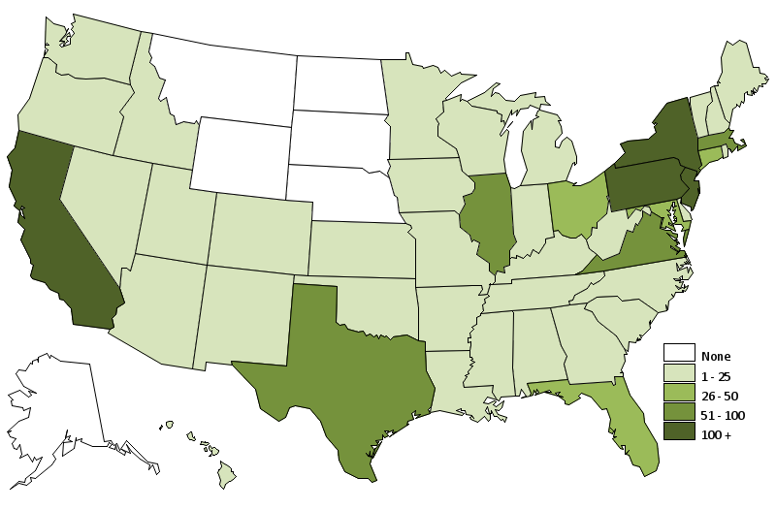

 |  | [INSERT MAP HERE]

New England |  | South |  | Midwest |  | West
Connecticut | 30 | Alabama | 4 | Illinois | 56 | Alaska | 0
Maine | 2 | Arkansas | 1 | Indiana | 4 | California | 235
Massachusetts | 61 | Florida | 45 | Iowa | 1 | Colorado | 12
New Hampshire | 7 | Georgia | 22 | Kansas | 2 | Hawaii | 3
Rhode Island | 2 | Kentucky | 5 | Michigan | 11 | Idaho | 1
Vermont | 2 | Louisiana | 2 | Minnesota | 6 | Montana | 0
Subtotal | 104 | Mississippi | 1 | Missouri | 9 | Nevada | 4
% of U.S. Total | 7% | North Carolina | 13 | Nebraska | 0 | Oregon | 4
 |  | South Carolina | 4 | North Dakota | 0 | Utah | 2
 |  | Tennessee | 8 | South Dakota | 0 | Washington | 25
 |  | Virginia | 67 | Wisconsin | 7 | Wyoming | 0
Middle States |  | Subtotal | 172 | Subtotal | 96 | Subtotal | 286
Delaware | 2 | % of U.S. Total | 12% | % of U.S. Total | 7% | % of U.S. Total | 20%
Washington, D.C. | 4
Maryland | 47
New Jersey | 188 | Southwest |  |  |  | U.S. Territories | 6
New York | 165 | Arizona | 9 |  |  | % of U.S. Total | 0%
Ohio | 27 | New Mexico | 4
Pennsylvania | 178 | Oklahoma | 1 |  |  | Residence | 53
West Virginia | 4 | Texas | 60 |  |  | outside of U.S.
Subtotal | 615 | Subtotal | 74
% of U.S. Total | 44% | % of U.S. Total | 5% |  |  | U.S. Citizen Total | 1,406

6
First-time, First-year International Students, Pittsburgh Campus
By Continent and Country of Citizenship
Fall Semester 2017
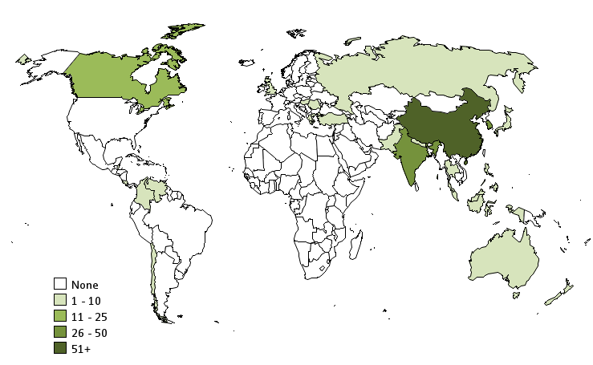

 |  | [INSERT MAP HERE]

North and Central America |  | South America |  | Asia
Canada | 16 | Brazil | 1 | China | 134
Costa Rica | 1 | Chile | 2 | Hong Kong | 3
Subtotal | 17 | Colombia | 1 | India | 41
% of Intl Total | 6% | Venezuela | 1 | Indonesia | 1
 |  | Subtotal | 5 | Japan | 2
 |  | % of Intl Total | 2% | Malaysia | 2
 |  |  |  | Nepal | 1
 |  |  |  | Pakistan | 1
 |  |  |  | Philippines | 1
 |  | Europe |  | Russia | 1
 |  | Greece | 1 | Singapore | 11
Oceania |  | Hungary | 1 | South Korea | 39
Australia | 2 | Romania | 1 | Thailand | 2
New Zealand | 1 | United Kingdom | 1 | Turkey | 2
Subtotal | 3 | Subtotal | 4 | Subtotal | 241
% of Intl Total | 1% | % of Intl Total | 1% | % of Intl Total | 89% | International Total | 270

7
First-time, First-year Students, Qatar Campus
By Continent and Country of Citizenship
Fall Semester 2017
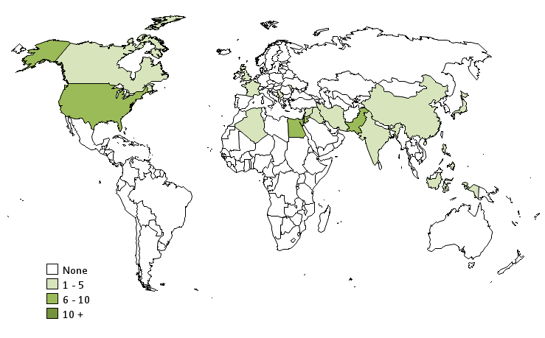

 |  | [INSERT MAP HERE]

North and Central America |  | Africa |  | Asia
Canada | 3 | Algeria | 1 | China | 3
United States | 7 | Egypt | 6 | India | 4
Subtotal | 10 | Subtotal | 7 | Indonesia | 1
% of Qatar Total | 9% | % of Qatar Total | 6% | Iran | 1
 |  |  |  | Iraq | 1
 |  |  |  | Japan | 1
Europe |  |  |  | Jordan | 7
Albania | 1 |  |  | Lebanon | 1
France | 2 |  |  | Pakistan | 9
Moldova | 1 |  |  | Palestine | 3
Serbia | 1 |  |  | Philippines | 1
United Kingdom | 2 |  |  | Qatar | 47
Subtotal | 7 | Not Reported | 1 | Syria | 4
% of Qutar Total | 6% | % of Qatar Total | 1% | Subtotal | 83
 |  |  |  | % of Qatar Total | 77%

 |  |  |  | Qatar Total | 108

